Sheet1
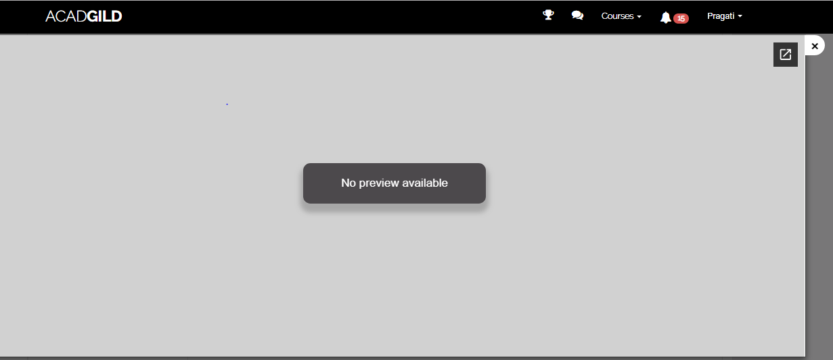
Assignment 2 is showing no preview available. Please find the below screenshot for yor reference.
Please let me know if we have any qestions for Assignment 2.

